graphic
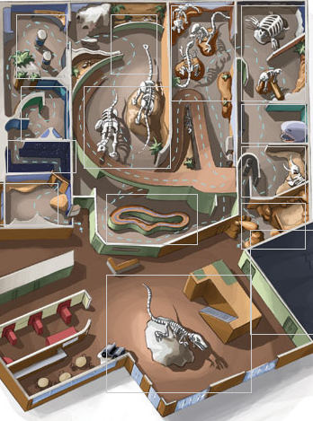
320x480 | 0 | 20 | 40 | 60 | 80 | 100 | 120 | 140 | 160 | 180 | 200 | 220 | 240
 | 20
 | 40
 | 60
 | 80
 | 100
 | 120
 | 140
 | 160
 | 180
 | 200
 | 220
 | 240
 | 260
 | 280
 | 300
 | 320
 | 340
 | 360
 | 380
 | 400
 | 420
 | 440
 | 460
 | 480

